MAKE UP FOR EVER
MAKE UP FOREVER by LVMH
PHOTOS | REF | DESCRIPTION | LINE | QTY | RETAIL | TOTAL | No Expiry Date | Shelflife > 24 M | Shelflife 21-24 M | Shelflife 13-20 M | Shelflife 7-12 M | Shelflife 1-6 M
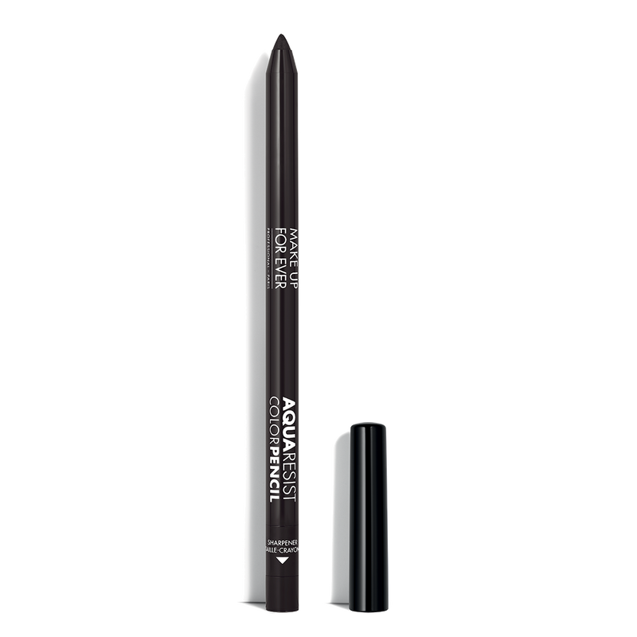 | I000071003 | AQUA RESIST COLOR PENCIL-20 PV 0,5G 03 | Aqua Resist Precise | 4,821 | 28.00 € | 134,988.00 € | 0 | 4,821 | 0 | 0 | 0 | 0
 | I000071004 | AQUA RESIST COLOR PENCIL-20 PV 0,5G 04 |  | 14,547 | 28.00 € | 407,316.00 € | 0 | 0 | 0 | 14,547 | 0 | 0
 | I000071010 | AQUA RESIST COLOR PENCIL-20 PV 0,5G 10 |  | 5,198 | 28.00 € | 145,544.00 € | 0 | 0 | 0 | 5,197 | 1 | 0
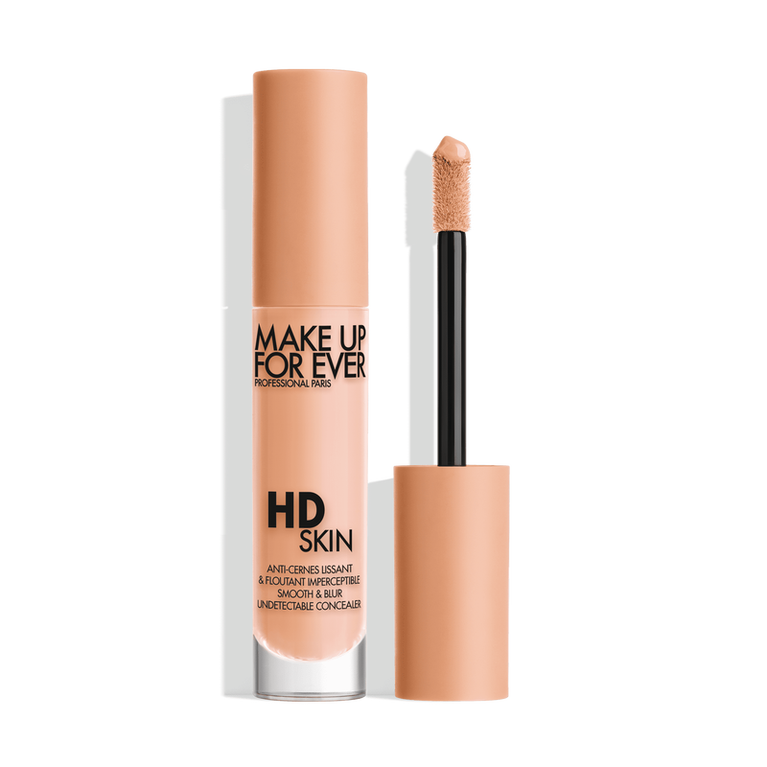 | I000048010 | HD SKIN CONCEALER-23 4,7ML 1.0(Y) | HD Skin Concealer | 19,714 | 29.90 € | 589,448.60 € | 0 | 0 | 6,020 | 13,694 | 0 | 0
 | I000048012 | HD SKIN CONCEALER-23 4,7ML 1.2(R) |  | 25,162 | 29.90 € | 752,343.80 € | 0 | 0 | 0 | 25,162 | 0 | 0
 | I000048014 | HD SKIN CONCEALER-23 4,7ML 1.4(Y) |  | 25,720 | 29.90 € | 769,028.00 € | 0 | 0 | 0 | 25,720 | 0 | 0
 | I000048016 | HD SKIN CONCEALER-23 4,7ML 1.6(Y) |  | 11,372 | 29.90 € | 340,022.80 € | 0 | 0 | 0 | 11,372 | 0 | 0
 | I000048023 | HD SKIN CONCEALER-23 4,7ML 2.3(R) |  | 14,221 | 29.90 € | 425,207.90 € | 0 | 0 | 0 | 14,221 | 0 | 0
 | I000048024 | HD SKIN CONCEALER-23 4,7ML 2.4(Y) |  | 15,600 | 29.90 € | 466,440.00 € | 0 | 0 | 0 | 2,716 | 12,884 | 0
 | I000048025 | HD SKIN CONCEALER-23 4,7ML 2.5(N) |  | 7,094 | 29.90 € | 212,110.60 € | 0 | 0 | 0 | 7,094 | 0 | 0
 | I000048026 | HD SKIN CONCEALER-23 4,7ML 2.6(Y) |  | 6,214 | 29.90 € | 185,798.60 € | 0 | 0 | 0 | 6,214 | 0 | 0
 | I000048030 | HD SKIN CONCEALER-23 4,7ML 3.0(R) |  | 6,143 | 29.90 € | 183,675.70 € | 0 | 0 | 0 | 5,763 | 380 | 0
 | I000048031 | HD SKIN CONCEALER-23 4,7ML 3.1(N) |  | 6,394 | 29.90 € | 191,180.60 € | 0 | 0 | 0 | 6,394 | 0 | 0
 | I000048043 | HD SKIN CONCEALER-23 4,7ML 4.3(R) |  | 9,484 | 29.90 € | 283,571.60 € | 0 | 0 | 0 | 0 | 9,484 | 0
 | I000048005 | HD SKIN CONCEALER-24 4,7ML 0.5 |  | 8,126 | 29.90 € | 242,967.40 € | 0 | 0 | 8,126 | 0 | 0 | 0
 | I000048205 | HD SKIN CONCEALER-24 4,7ML 2.05(N) |  | 7,548 | 29.90 € | 225,685.20 € | 0 | 0 | 7,548 | 0 | 0 | 0
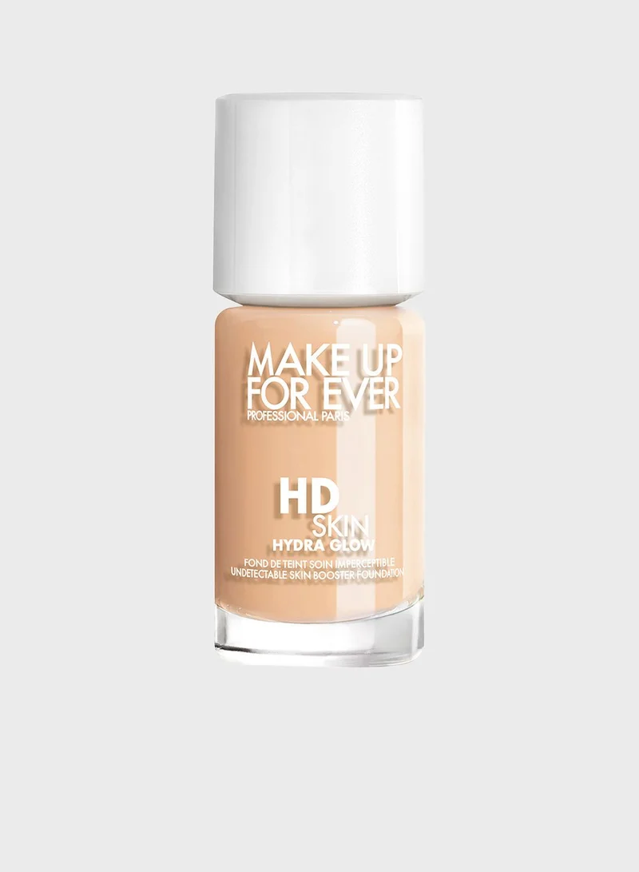 | I000061100 | HD SKIN HYDRA GLOW FOUNDATION-24 30ML 1N00 | HD Skin Hyd Glow Fdt | 48,583 | 42.00 € | 2,040,486.00 € | 0 | 0 | 0 | 48,583 | 0 | 0
 | I000062100 | HD SKIN HYDRA GLOW FOUNDATION-24 30ML 1R00 |  | 58,864 | 42.00 € | 2,472,288.00 € | 0 | 0 | 0 | 58,864 | 0 | 0
 | I000062102 | HD SKIN HYDRA GLOW FOUNDATION-24 30ML 1R02 |  | 21,293 | 42.00 € | 894,306.00 € | 0 | 0 | 0 | 21,293 | 0 | 0
 | I000062112 | HD SKIN HYDRA GLOW FOUNDATION-24 30ML 1R12 |  | 21,335 | 42.00 € | 896,070.00 € | 0 | 0 | 0 | 21,335 | 0 | 0
 | I000063100 | HD SKIN HYDRA GLOW FOUNDATION-24 30ML 1Y00 |  | 63,027 | 42.00 € | 2,647,134.00 € | 0 | 0 | 0 | 63,027 | 0 | 0
 | I000062234 | HD SKIN HYDRA GLOW FOUNDATION-24 30ML 2R34 |  | 10,340 | 42.00 € | 434,280.00 € | 0 | 0 | 0 | 8,098 | 2,242 | 0
 | I000063236 | HD SKIN HYDRA GLOW FOUNDATION-24 30ML 2Y36 |  | 12,680 | 42.00 € | 532,560.00 € | 0 | 0 | 0 | 12,680 | 0 | 0
 | I000062348 | HD SKIN HYDRA GLOW FOUNDATION-24 30ML 3R48 |  | 9,232 | 42.00 € | 387,744.00 € | 0 | 0 | 0 | 9,232 | 0 | 0
 | I000061740 | HD SKIN HYDRA GLOW FOUNDATION-24 BTG 12ML 3N40 |  | 4,829 | 23.00 € | 111,067.00 € | 0 | 0 | 0 | 4,693 | 136 | 0
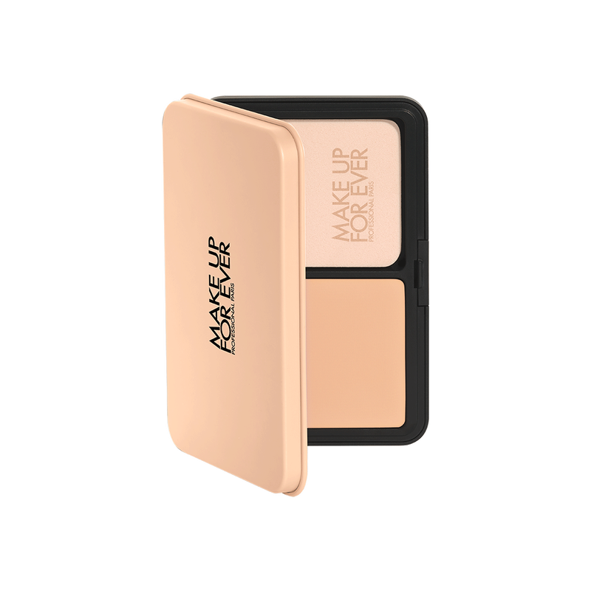 | I000064350 | HD SKIN MATTE VELVET-23 11G 3R50 | HD Skin Matte Velvet | 6,134 | 44.00 € | 269,896.00 € | 0 | 0 | 0 | 4,031 | 0 | 2,103
 | I000064461 | HD SKIN MATTE VELVET-23 11G 4R61 |  | 4,959 | 44.00 € | 218,196.00 € | 0 | 0 | 0 | 0 | 4,959 | 0
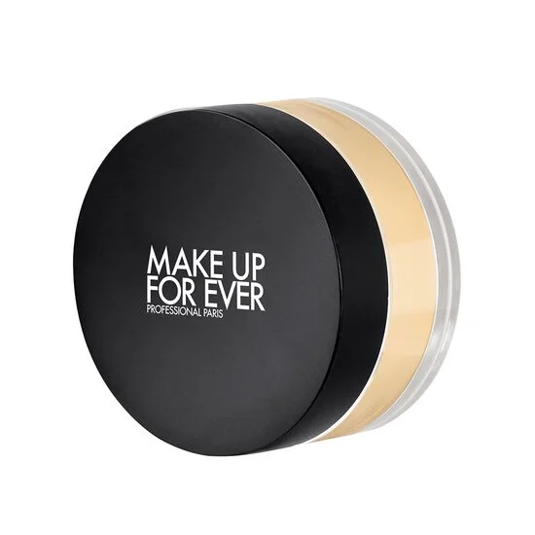 | I000019703 | HD SKIN SETTING POWDER-24 18G 0.3 | HD Skin Setting Powd | 8,416 | 43.00 € | 361,888.00 € | 0 | 782 | 0 | 7,634 | 0 | 0
 | I000019704 | HD SKIN SETTING POWDER-24 18G 0.4 |  | 19,062 | 43.00 € | 819,666.00 € | 0 | 0 | 0 | 19,062 | 0 | 0
 | I000019742 | HD SKIN SETTING POWDER-24 18G 4.2 |  | 7,151 | 43.00 € | 307,493.00 € | 0 | 0 | 0 | 7,151 | 0 | 0
 | I000019831 | HD SKIN SETTING POWDER-24 BTG 7G 3.1 |  | 5,038 | 23.00 € | 115,874.00 € | 0 | 0 | 0 | 5,038 | 0 | 0
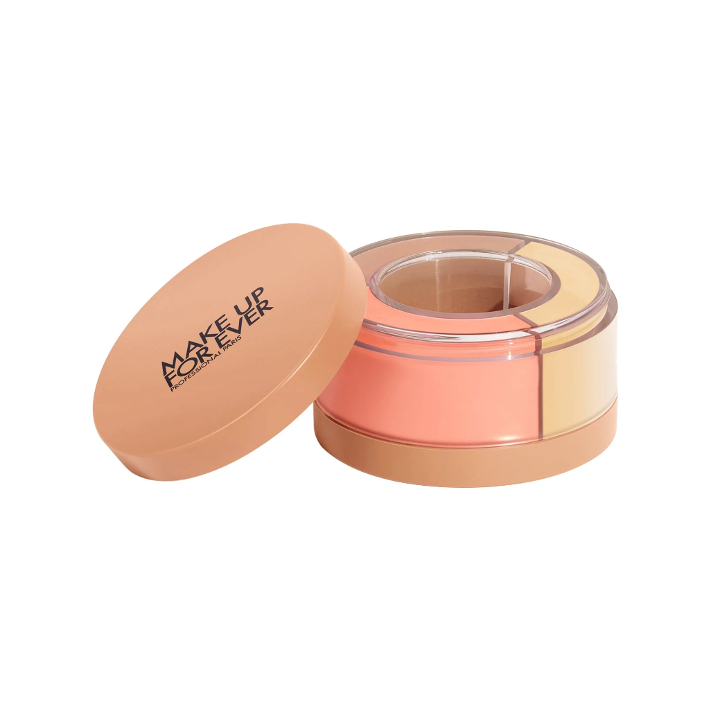 | I000036002 | HD SKIN TWIST&LIGHT-22 8G 2.0 | HD Skin Twist&Light | 45,567 | 43.00 € | 1,959,381.00 € | 0 | 0 | 0 | 0 | 0 | 45,567
 | I000036003 | HD SKIN TWIST&LIGHT-22 8G 3.0 |  | 13,008 | 43.00 € | 559,344.00 € | 0 | 0 | 0 | 0 | 0 | 13,008
 | I000036004 | HD SKIN TWIST&LIGHT-22 8G 4.0 |  | 12,063 | 43.00 € | 518,709.00 € | 0 | 0 | 0 | 0 | 0 | 12,063
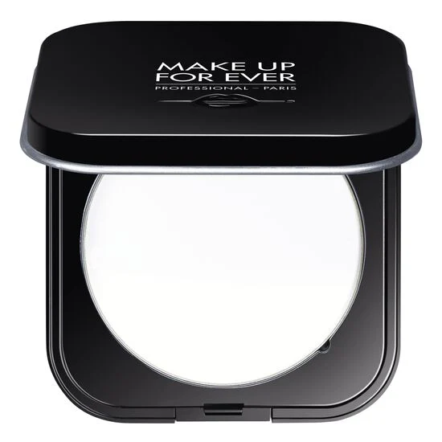 | I000010901 | POUDRE COMPACTE ULTRA HD 6,2G 01 | Ultra HD compact pwd | 108,973 | 42.00 € | 4,576,866.00 € | 0 | 0 | 0 | 108,973 | 0 | 0
 | I000010902 | POUDRE COMPACTE ULTRA HD 6,2G 02 |  | 12,741 | 42.00 € | 535,122.00 € | 0 | 0 | 0 | 0 | 12,741 | 0
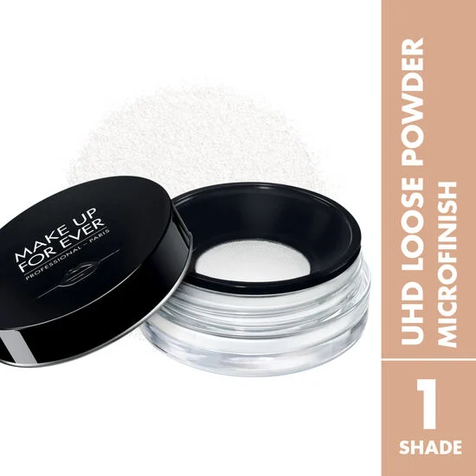 | I000070101 | POUDRE LIBRE ULTRA HD 8,5G #01 | Ultra HD loose pwd | 26,440 | 42.00 € | 1,110,480.00 € | 0 | 0 | 0 | 26,440 | 0 | 0
 | I000070111 | POUDRE LIBRE ULTRA HD BTG 4G #01 |  | 5,240 | 22.00 € | 115,280.00 € | 0 | 0 | 0 | 5,240 | 0 | 0
TOTAL MAKE UP FOREVER |  |  |  | 712,333 | 38.52 € | 27,439,458.80 € | 0 | 5,603 | 21,694 | 569,468 | 42,827 | 72,741

